charts
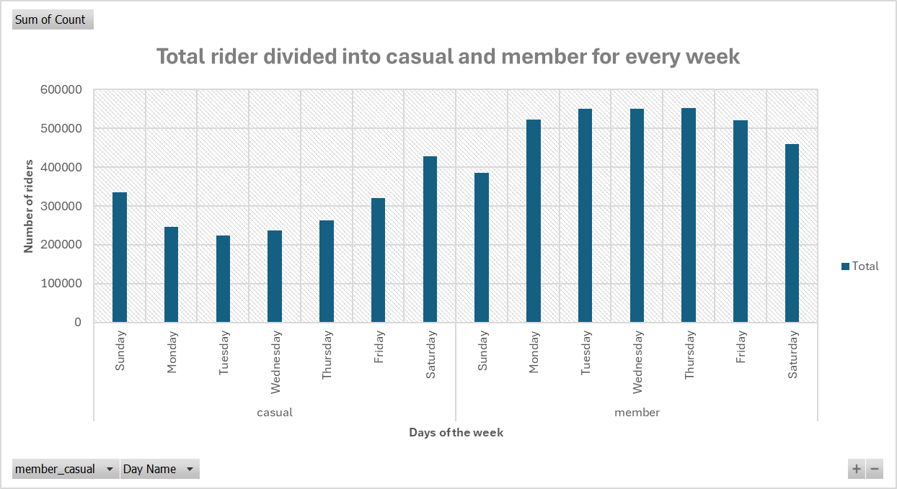

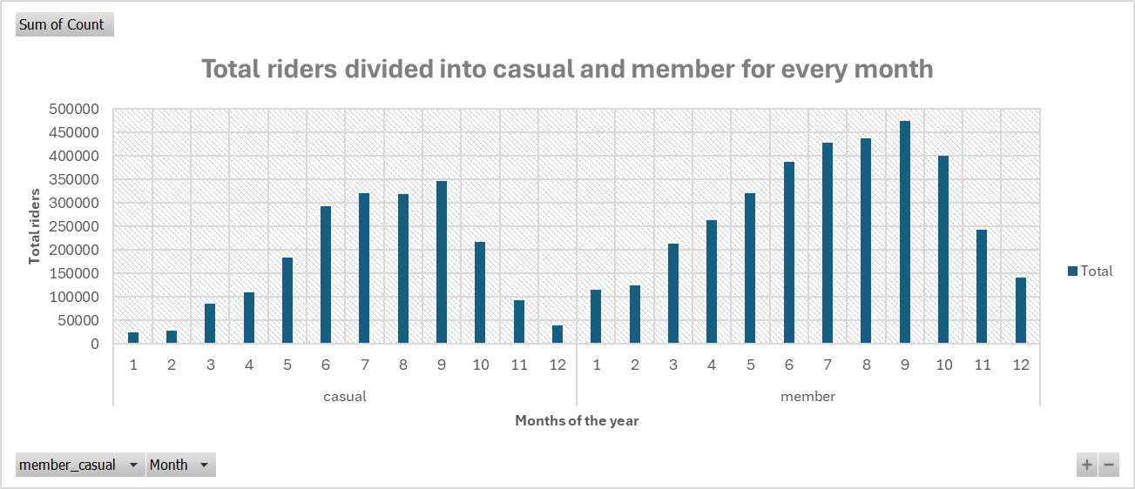

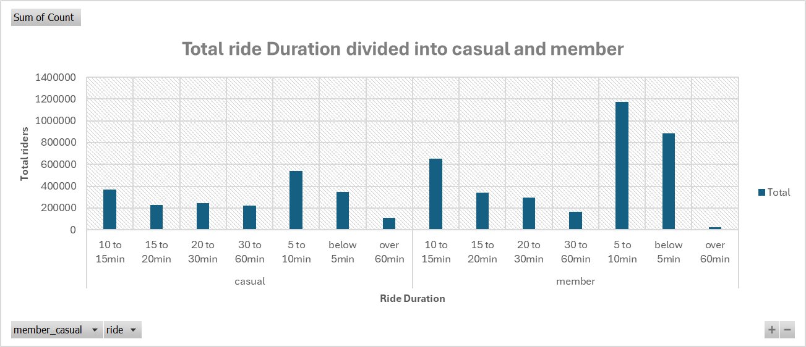

Pivot table and chart
Sum of Count | Column Labels
Row Labels | classic_bike | electric_bike | electric_scooter | Grand Total
casual | 843178 | 1126859 | 85215 | 2055252
1 | 6620 | 17504 |  | 24124
2 | 7413 | 20344 |  | 27757
Total ride Duration divided into casual and member
 | classic_bike | electric_bike | electric_scooter
1 | 6620 | 17504
2 | 7413 | 20344
3 | 31434 | 54428
4 | 39689 | 69550
5 | 67412 | 115358
6 | 110310 | 181797
7 | 160043 | 160538
8 | 148876 | 169459 | 63
9 | 121031 | 140311 | 85152
10 | 98143 | 118309
11 | 39048 | 54014
12 | 13159 | 25247
1 | 42982 | 71545
2 | 45358 | 78786
3 | 79564 | 132704
4 | 98968 | 163169
5 | 118774 | 201071
6 | 143848 | 242981
7 | 210518 | 217905
8 | 204121 | 233266 | 19
9 | 193308 | 221962 | 59103
10 | 182479 | 217361
11 | 109061 | 132919
12 | 57380 | 82626
3 | 31434 | 54428 |  | 85862
4 | 39689 | 69550 |  | 109239
5 | 67412 | 115358 |  | 182770
6 | 110310 | 181797 |  | 292107
7 | 160043 | 160538 |  | 320581
8 | 148876 | 169459 | 63 | 318398
9 | 121031 | 140311 | 85152 | 346494
10 | 98143 | 118309 |  | 216452
11 | 39048 | 54014 |  | 93062
12 | 13159 | 25247 |  | 38406
member | 1486361 | 1996295 | 59122 | 3541778
1 | 42982 | 71545 |  | 114527
2 | 45358 | 78786 |  | 124144
3 | 79564 | 132704 |  | 212268
4 | 98968 | 163169 |  | 262137
5 | 118774 | 201071 |  | 319845
6 | 143848 | 242981 |  | 386829
7 | 210518 | 217905 |  | 428423
8 | 204121 | 233266 | 19 | 437406
9 | 193308 | 221962 | 59103 | 474373
10 | 182479 | 217361 |  | 399840
11 | 109061 | 132919 |  | 241980
12 | 57380 | 82626 |  | 140006
Grand Total | 2329539 | 3123154 | 144337 | 5597030

